Motor
Motor | Rated Torque | Voltage (V) | Speed (rpm) | Motor Weight (g) | Price ($) | Dimensions (L x W x H) | Extra Features | link | Here
MOTOR DC 6-12VOLTS 12500RPM 2MM SHAFT 44.20G/CM TORQUE | 4.33 mNm | 2024-06-12 | 12500 |  | 7.95 |  |  | https://secure.sayal.com/STORE4/prodetails.php?SKU=230438 | https://www.digikey.ca/en/products/filter/motors-ac-dc/178?s=N4IgTCBcDaILYHsAuCBOIC6AaEBWKoADlGDocZGLgL7VA
STEPPER MOTOR DRIVER 5V ULN2003 WITH STEPPER MOTOR 5VDC | 14 mNm | 5 |  |  |  |  |  | https://www.digikey.ca/en/products/detail/adafruit-industries-llc/858/5629414 | https://www.mouser.ca/c/electromechanical/motors-drives/stepper-motors/?q=stepper%20motor
25D High Torque DC Gear Motor for Smart Vehicles - 6V, 469RPM |  | 6 | 385 |  | 15.99 |  |  | https://ca.robotshop.com/products/25d-high-torque-high-power-dc-gear-motor-used-smart-vehicles-6v-469rpm
25D High Torque DC Gear Motor for Smart Vehicles - 6V, 282RPM |  | 6 | 231 |  | 15.99 |  |  | https://ca.robotshop.com/products/25d-high-torque-high-power-dc-gear-motor-used-smart-vehicles-6v-282rpm
NF243G-301 |  |  |  |  |  |  |  | https://www.digikey.ca/en/products/detail/johnson-motor/NF243G-301/12719600
STEPPER MOTOR PM GEARED UNI 12V | 25mNm | 12 | 20 Rpm @ v12 - 12 Rpm @ 9 |  | 7.5 |  |  | https://www.digikey.ca/en/products/detail/adafruit-industries-llc/918/5629415

3777 GEARMOTOR 200 RPM 3-6V DC Adafruit Industries LLC | 600 mNm | 3 ~ 6VDC | 200 |  | 4.22 |  |  | https://www.digikey.ca/en/products/detail/adafruit-industries-llc/3777/8687221
FIT0441 | 235.4 mNm | 12V | 159 |  | 30.38 | 51 x 25 x 25 | Integrated Controller and encoder | https://www.digikey.ca/en/products/detail/dfrobot/FIT0441/6588579?_gl=1*1bp5ga4*_up*MQ..&gclid=Cj0KCQjw-r-vBhC-ARIsAGgUO2D78UdWo5x_mrrBLaoer2HN63JeW5iHTkLJOD3q8mLesicByF5cJDwaAhPLEALw_wcB
Micro Flat Spur Gear Motor, Parallel Shaft Gear Motor, 6V, 75RPM | 98 mNm | 6 | 45 |  | 14.88 |  |  | https://ca.robotshop.com/products/micro-flat-spur-gear-motor-parallel-shaft-gear-motor-6v-75rpm
DC Brush 6V Mini Gear Motor, Micro Turbo Worm Geared Motor 1218GE‑N20 Reduction Geared Motor(DC6V 70RPM) | 31 mNm | 6 | 70 |  | 10.62 |  |  | https://www.amazon.ca/dp/B08LL9TF91?starsLeft=1&ref_=cm_sw_r_apan_dp_NPNN2YYFP983X1MT2VE9&th=1
Yosoo Mini High Torque 12V 200RPM with Metal Gearbox Replacement N20 for RC Car, Robot Model, DIY Engine Toys (12V 200RPM) | 98 mNm guess around half of G12-N20 datasheet | 12 | 200 |  | 9.59 |  |  | https://www.amazon.ca/dp/B01FHBN8VO?starsLeft=1&ref_=cm_sw_r_apan_dp_CR5NQPQK2T13YS3BVHWR&th=1
MECCANIXITY Micro Speed Reduction Gear Motor, DC 12V 140RPM with Full Metal Gearbox for DIY RC Aircraft, Model Car Pack of 2 | 137mNm simlikar guess | 12 | 140 |  | 8.885 |  |  | https://www.amazon.ca/dp/B0BF9N1GV7?starsLeft=1&ref_=cm_sw_r_apan_dp_RBX3H19AY90SHQ0X5ZX6&th=1

 |  |  | 10

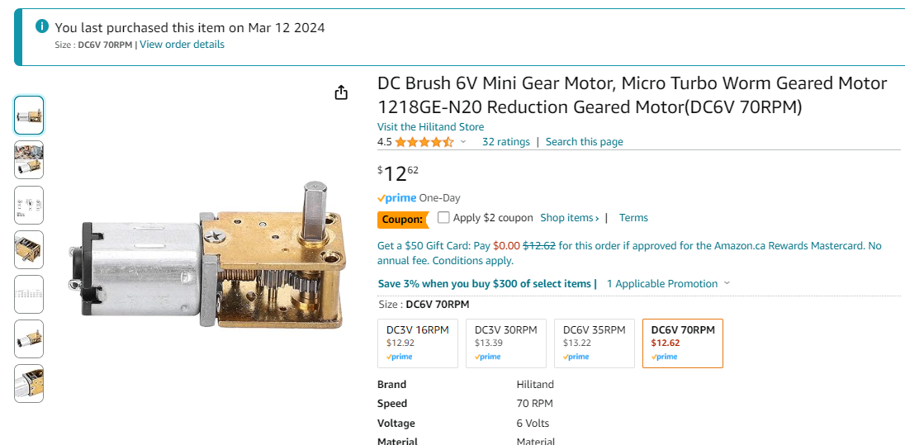
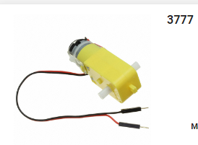
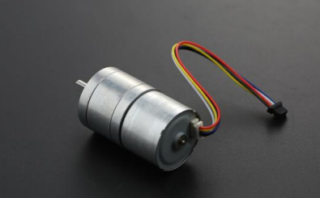
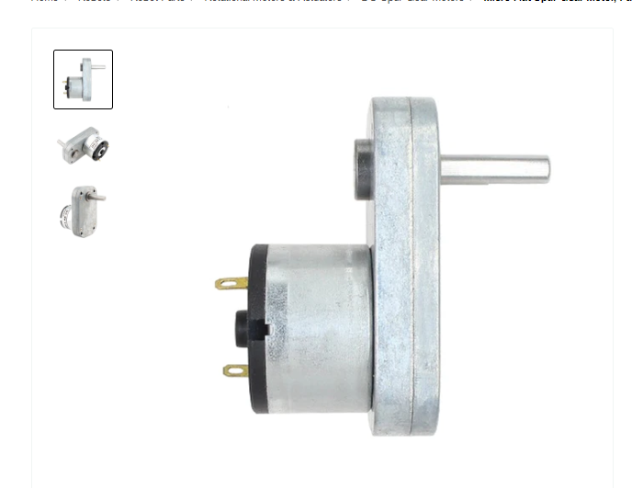
 | 10mNm | drive the robot 3lbs

Battery
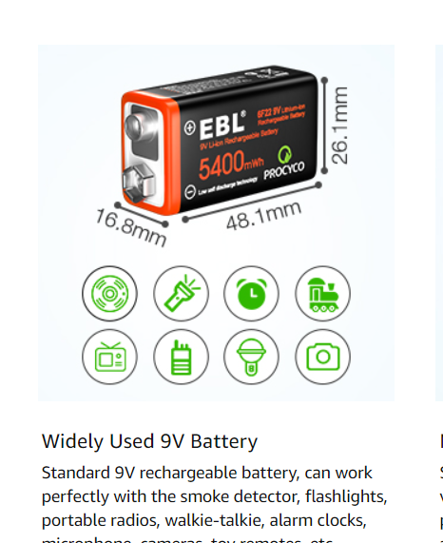
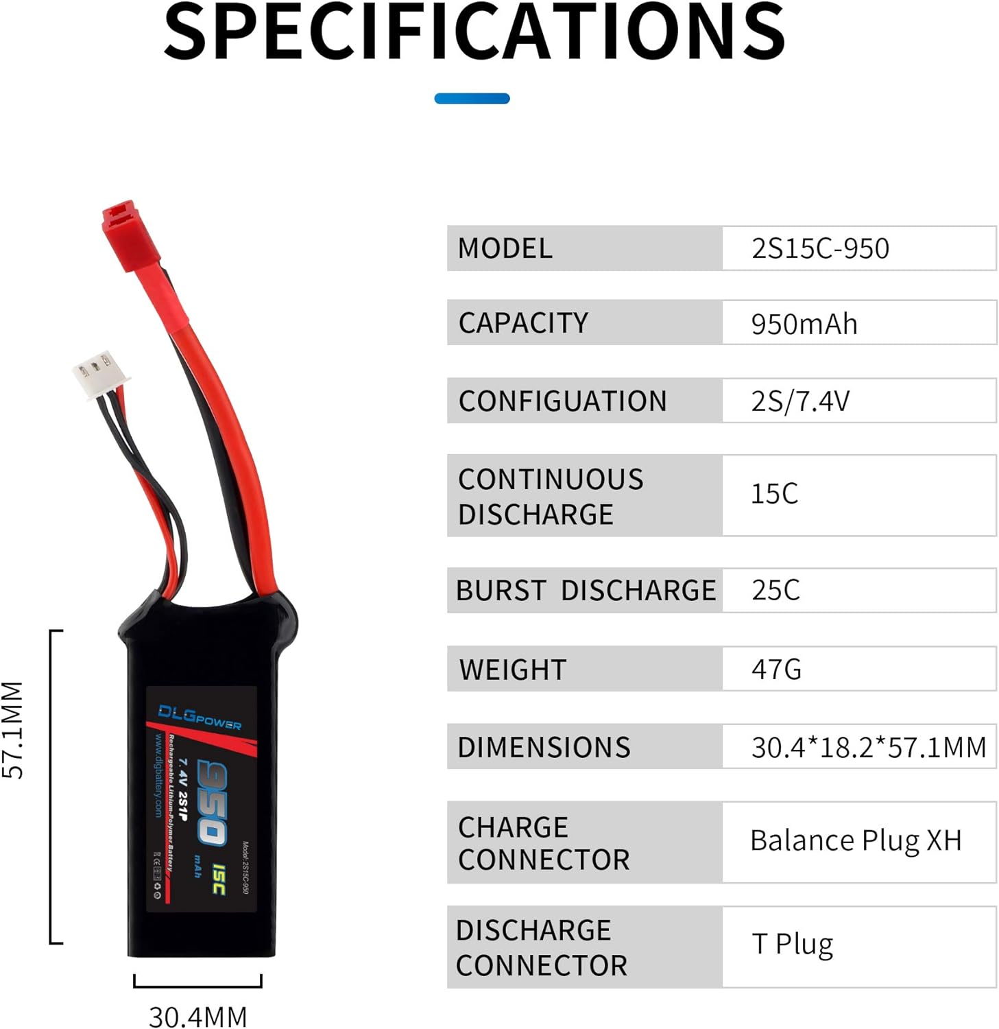
Battery | Chemistry | Voltage (V) | Battery Weight (g) | Capacity (mAh) | Price ($) | Dimensions (L x W x H) | Maximum Discharge Current (A) | link | Here
Energizer Rechargeable 9V Battery | Nickel | 8.4 |  | 175 | $30.00 | 26.5mm x 17.5mm x 48.5mm |  | https://www.digikey.ca/en/products/detail/energizer-battery-company/NH22NBP/4477695
 |  |  |  | 600 |  |  |  | https://www.amazon.ca/EBL-Rechargeable-Batteries-5400mWh-Charging/dp/B08X37LHPX
 |  | 7.4 | Weight: 250g/8.82oz. | 5200 | $55.00 | too big :( 138*47*25mm; |  | https://www.amazon.ca/Zeee-5200mAh-Battery-Vehicles-Airplane/dp/B086965TVQ/ref=sxin_15_pa_sp_search_thematic?content-id=amzn1.sym.c1e6258b-eedc-4939-9630-a0b9df9f3f27%3Aamzn1.sym.c1e6258b-eedc-4939-9630-a0b9df9f3f27&crid=2R02IDEA4U523&cv_ct_cx=9v+lipo+battery&dib=eyJ2IjoiMSJ9.aJeQXZDszubVzfupbWTD_wiGRk2M4zCymXQEA3o2m2owR6CIgfFNNuokvY4Yun5wH5fRgyXgml5iJMwtarYKqg.JzylIolOaRDDkAedIrGg9ZL9dm2giLe73FK8oGlQGME&dib_tag=se&keywords=9v+lipo+battery&pd_rd_i=B086965TVQ&pd_rd_r=29f7acf4-0137-4157-b8a5-a12729e2dd4b&pd_rd_w=pupCi&pd_rd_wg=dZkAg&pf_rd_p=c1e6258b-eedc-4939-9630-a0b9df9f3f27&pf_rd_r=9MDAKHW9A0NFZF6BZ9J8&qid=1708546677&sbo=RZvfv%2F%2FHxDF%2BO5021pAnSA%3D%3D&sprefix=9v+lipo+batter%2Caps%2C104&sr=1-1-acb80629-ce74-4cc5-9423-11e8801573fb-spons&sp_csd=d2lkZ2V0TmFtZT1zcF9zZWFyY2hfdGhlbWF0aWM&psc=1
 |  |  |  |  |  |  |  | li-po
USB Rechargeable 9V Li-ion Batteries (4 Pack)- 5400mWh Long Lasting Lithium Batteries with Micro Charging Cable |  | 8.4 |  | 600 | $9.50 | 26.1mm x 16.8mm x 48.1 mm |  | https://www.amazon.ca/EBL-Rechargeable-Batteries-5400mWh-Charging/dp/B08X37LHPX

11.1V 3S LiPo Battery RC 1500mAh 35C with Deans T Plug High Capacity RC Batteries for RC Drone FPV Plane UAV Car Truggy Airplane Quadcopter Helicopter | Lipo | 11.4 | 138g/0.31lb | 1500 | $30.00 | 79*35*26mm | 52.5 | https://www.amazon.ca/Capacity-Batteries-Airplane-Quadcopter-Helicopter/dp/B09WMVMS6Y/ref=pd_day0_d_sccl_1_8/146-8024703-0849845?pd_rd_w=2gqsT&content-id=amzn1.sym.a0f07c06-3bfe-427e-9527-5be8cea27b66&pf_rd_p=a0f07c06-3bfe-427e-9527-5be8cea27b66&pf_rd_r=M6M9N9H4JK5GEAMXWTV4&pd_rd_wg=Ifrmy&pd_rd_r=30b3c9f1-48b7-40f5-82eb-f136a3b7d96b&pd_rd_i=B09WMVMS6Y&psc=1
CNHL 6S 1200mAh Lipo Battery 22.2V 100C with XT60 Plug for FPV Drone Quadcopter Helicopter Airplane，RC Multi-Motor Model Racing Hobby DIY Parts(2 Packs) | LiPo | 22 | 210g/7.41oz | 1200 | $23.74 | 48*35*75 mm | 120 | https://www.amazon.ca/dp/B0B5L7HG88/ref=sspa_dk_detail_2?psc=1&pf_rd_p=d8c43617-c625-45bd-a63f-ad8715c2c055&pf_rd_r=C7VHF2XYSCKMAZC8EJT9&pd_rd_wg=8FOvw&pd_rd_w=TkQ6P&content-id=amzn1.sym.d8c43617-c625-45bd-a63f-ad8715c2c055&pd_rd_r=9eeb9743-6e6c-493d-936e-f01f88c181fa&s=electronics&sp_csd=d2lkZ2V0TmFtZT1zcF9kZXRhaWw
CNHL 11.4V 3S Lipo Battery 450mAh 70C HV lipo Battery for RC Mini Quad Airplane Drone FPV Helicopter Quadcopter，Racing Multi-Motor Hobby Model DIY Parts(6 Packs) | LiPo | 11.4 | 49g/1.72oz | 450 | $8.33 | 23*18*65 mm | 31.5 | https://www.amazon.ca/CNHL-Airplane-Helicopter-Quadcopter%EF%BC%8CRacing-Multi-Motor/dp/B0BRST7XG6/ref=pd_ci_mcx_pspc_dp_d_2_t_5?pd_rd_w=hViEB&content-id=amzn1.sym.cc9b306e-f54a-42a9-af24-d836ac9ed640&pf_rd_p=cc9b306e-f54a-42a9-af24-d836ac9ed640&pf_rd_r=TC9787QF2BQGVV4YS3KX&pd_rd_wg=OduIg&pd_rd_r=18f2d40e-4f6b-4e18-90ec-9cdae64cc5e2&pd_rd_i=B0BRST7XG6
11.1v Airsoft Battery 3S Lipo Battery 25C 1100mAh Battery High Capacity w/Mini Tamiya Connector for Airsoft (Mini Tamiya) | Lipo | 11.1 | 76.5g/0.17lb | 1100 | $20.59 | 105*20*15mm | 27.5 | https://www.amazon.ca/Airsoft-Battery-Capacity-Connector-Tactical/dp/B09PG5BWH4/ref=pd_day0_d_sccl_3_24/146-8024703-0849845?pd_rd_w=cHnts&content-id=amzn1.sym.a0f07c06-3bfe-427e-9527-5be8cea27b66&pf_rd_p=a0f07c06-3bfe-427e-9527-5be8cea27b66&pf_rd_r=6KC48GDRXFKGWH2NP6MJ&pd_rd_wg=O3NI8&pd_rd_r=5a5120df-d2d6-4f5d-8a49-ea8d4d2d58ea&pd_rd_i=B09PG5BWH4&psc=1
Radiolink HPY 7.4V 2S LiPo Battery 20C 600mAh JST 2Pin Connector Recharge Lithium Polymer for RC A560 Airplane/RC4GS V3/RC6GS V3/AT10II/AT9S Pro/T8FB RC Radio Controller | Lipo | 7.4 | 37g/1.3oz. | 600 | 15.99 | 49*25*17mm | 18 | https://www.amazon.ca/Radiolink-FULLYMAX-Connector-Airplane-Controller/dp/B0BRPQ5RKK/ref=pd_ci_mcx_di_int_sccai_cn_d_sccl_3_24/146-8024703-0849845?pd_rd_w=GavXC&content-id=amzn1.sym.d6674fdf-bd00-4d07-8317-6dfd6c498cdf&pf_rd_p=d6674fdf-bd00-4d07-8317-6dfd6c498cdf&pf_rd_r=P219TM7N8VB98AY4QC6K&pd_rd_wg=30vHV&pd_rd_r=2b07415d-602e-4dd3-8f16-26c66cae18a9&pd_rd_i=B0BS29CCRD&th=1
SIGP 3S Lipo Battery 6400mAh 11.1V 100C Hard Case RC Battery with EC5 Connector for 1/8 1/10 Vehicles Car Truck Tank Buggy Boat Racing Models (2 Packs) | Lipo | 11.1 | 410g/0.9lb | 6400 | 26.75 | 139*47*40mm | 640 | https://www.amazon.ca/dp/B0BBFLPN53/ref=syn_sd_onsite_desktop_0?ie=UTF8&psc=1&pd_rd_plhdr=t&aref=0TTdT1qm5R
DLG 2S RC Lipo Battery,7.4V 500mAh 20C Battery with JST Plug, for RC car, Boat, Airplane, Helicopter, Truck Models | Lipo | 7.4 | 33g | 500 | 13.59 | 10*30*58mm | 10 | https://www.amazon.ca/DLG-500mAh-High-Discharge-Powerful-Battery/dp/B01ARCC8KA/ref=pd_ci_mcx_di_int_sccai_cn_d_sccl_3_41/146-8024703-0849845?pd_rd_w=GavXC&content-id=amzn1.sym.d6674fdf-bd00-4d07-8317-6dfd6c498cdf&pf_rd_p=d6674fdf-bd00-4d07-8317-6dfd6c498cdf&pf_rd_r=P219TM7N8VB98AY4QC6K&pd_rd_wg=30vHV&pd_rd_r=2b07415d-602e-4dd3-8f16-26c66cae18a9&pd_rd_i=B01ARCC8KA&psc=1
DLG 2S RC Lipo Battery,7.4V 950mAh 15C Battery with JST Plug, for RC car, Boat, Airplane, Helicopter, Truck Models | Lipo | 7.4 | 47g | 950 | 14.59 | 30.4*18.2*57.1 mm | 14.25 | https://www.amazon.ca/DLG-950mAh-High-Discharge-Powerful-Battery/dp/B014E1J1IM/ref=pd_ci_mcx_pspc_dp_d_2_t_3?pd_rd_w=uzFel&content-id=amzn1.sym.cc9b306e-f54a-42a9-af24-d836ac9ed640&pf_rd_p=cc9b306e-f54a-42a9-af24-d836ac9ed640&pf_rd_r=Y0Z90S9GQ6RGPXH66ZTP&pd_rd_wg=f4dCc&pd_rd_r=3352f338-8452-48c2-8377-ff463c1ab840&pd_rd_i=B014E1J1IM
2PCS 9.6V 2800mAh AA Rechargeable Battery with Tamiya Plug and USB Charging Cable for Remote Control Vehicles,Trucks,Tanks,Engineering Vehicles, RC Ships, and Toy Car Batteries | AA nickel hydrogen | 9.4 | 180g | 2800 | 20.995 | 99.682 x 57.648 x 14.927 mm |  | https://www.amazon.ca/Rechargeable-Charging-Vehicles-Engineering-Batteries/dp/B0C6QJRVQ6/ref=sr_1_15_sspa?dib=eyJ2IjoiMSJ9.v75Bj-z_IuyrfiBJ8Uz4gQIo20ddaZ_S8MayMHhrx5AG2Z6XJOUAoYLQ7Uh6tBcsZWs41YgqTz1e7XVnk4-2oocN44ErBQOqC1GQ6-Vi-ZXEAfQ3KeN-7tnRFjq89s5nhEXGtWu7786cLNcnCxDmq0pddKWqxaflUaDHOoRr0sojopdFHxIynMqwSDPV2HaD_jnfYrh3-PlStHhl-7co5B5JXRGhONC_YQzozGoK7-3ZPOXnnTO_ksT9KLPz_7xnJrQP9mKXarylR0KHgnxNTtn9QvyZr89sWphQFDdRU4k.gQdB566aKv_1kp1ERprEK_cQvSc8LlwRqU2lXcbj0FQ&dib_tag=se&qid=1710457513&s=toys&sr=1-15-spons&sp_csd=d2lkZ2V0TmFtZT1zcF9tdGZfYnJvd3Nl&psc=1
DLG 3S RC Lipo Battery,11.1V 1000mAh 20C Battery with Dean's T Plug, for RC car, Boat, Airplane, Helicopter, Truck Models | Lipo | 11.1 | 73 g | 1000 | 24.19 | 73mm x 17mm x 37mm | 20 | https://www.amazon.ca/DLG-1000mAh-High-Discharge-Powerful-Battery/dp/B01ARCCPBC/ref=sr_1_11?dib=eyJ2IjoiMSJ9.ev3BpIvpUL_15tfGmPncosBfjJjJ3Gd-KvEYrFdt12MuZV8V1hZDsXJLChD5Ol8q9mXnI_uY5aByDksaFPn0kUPK7zFvjCLvNYnS0SklUdglXOtqZTk_nHHdQlGbtwgsOazuVQyqadL7-UacEemJG4A3vVkXeunBQEUezzJSn3OB_9C3s4bVmtPyZcmOp5kb3zHb7VXz8kNjgyl8U7KtpqMEA1dkSdGn15v2EFvi2hUxYuoi623TTC39DleYluBHsc0nk5Rx7phBqrR0Y1xhZPERegT50XHL_w_5a0jWyeA.JtnZIh_eNq27errXDqaKskLt5DdrkCgKEaKMwS8zYFo&dib_tag=se&keywords=11.1+lipo+battery+small&qid=1710457610&s=toys&sr=1-11
23A 12 Volt Battery, A23 Battery 10 Pack for Garage Door Openers Ceiling Fan Remotes Doorbells | 23A alkaline battery | 12 |  | 50 | 0.888 | Height: 27.5-28.5mm Diameter: 9.5-10.5mm |  | https://www.amazon.ca/Battery-Openers-Ceiling-Remotes-Doorbells/dp/B01C5NFLGM/ref=sr_1_8?dib=eyJ2IjoiMSJ9.Bz5ThM7QP3qaKCEi_kMH6H-uzrOS5eiCiFK5A7RdJeMkvVtSZRsJAYMAE3P4PumcukKkB-FvT8K3Fs8-FDtOAOTr5GFWUnLy8xTgYirkJUvJpdOAeDbM1D2EXQu5H7Npt1s02-M70eJpbx5hnhkXR9ex3_xAPCaInM-0bCazyEHx3w_bn0sPMB3aYSkhV7FZvK7-EfHECAH8big_CJlCCEi6ue4JQ6tfg2XqtipPEUzLb-YySgvA2638ESn7cX-lkZbNay-unIQLgys2aVyWLBpzdwSuyibGiSeDixt2Kg4.jFHHH8BcqP1cF0jlEDqIYh4-BpJOAyNla7umwEauBDk&dib_tag=se&keywords=12%2Bvolt%2Bbattery&qid=1710551557&sr=8-8&th=1

 | Crating = Maximum discharge current(A) / Battery capacity(Ah)
 | For instance, if you have a 1000mAh (or 1Ah) LiPo battery with a "30C" rating:
 | Maximum Discharge Current = 1Ah * 30C = 30A

